Cover Tissue



 |  |  | BIOBANKING DATA DICTIONARY
 |  |  | SBP Recommendation on Biobanking Data of Tissue Specimen
 |  |  | Version 1.0

Welcome to the SBP recommendation on biobanking data.
This file provides biobanks support in different aspects related to biobanking data of liquid specimen

What is this tool used for?
This tool aims to support biobanks in different aspects related to documentation, sample quality, harmonization, interoperability and visibility (see below). It defines a set of data elements and their associated variables that every biobank should document.

Different goals are covered:

Sample Quality
 | In order to improve and analyze the quality of liquid samples, it is essential that preanalytical steps are documented:
 | • | Good research is based on good quality samples and is made from comparable samples
 | • | Samples must correspond to the intended use
 | To ensure that biobanking processes are standardized, documentation at each step is required.
 | This tool raises awareness on the steps that should be documented and helps biobanks to identify, monitor and improve critical steps in their processes.

 |  |  | See Worksheet "Mandatory"
 |  |  | See Worksheet "All Element Detailed"

Harmonization & Interoperability
 | Documentation alone is not sufficient, data should also be comparable.
 | In order to guarantee the biobank's interoperability and to facilitate/promote the exchange of samples, it is essential to harmonize the terminology of data. This can be achieved with a data dictionary, where each data element is associated to as set of defined variable.

 | A data dictionary ensures that information is entered in a uniform manner, with minimal intra- and inter- operator variation.
 | It is a set of information describing:
 | • | what type of data is collected/stored within a database
 | • | name, descriotion and characteristics of each data element
 | • | format/structure of data

 |  |  | See Worksheet "All Element Detailed"

Visibility
 | SBP aims at increasing samples exchange and promote collaborations.
 | Biobanks should gain in visibility.
 | To enhance samples exposure, a selection of data elements are defined as visible.
 | This allows making samples searchable in a common database and corresponds to the data that are needed for a Data Exchange Model.

 |  |  | See Worksheet "Data Exchange Format"

 | A XSD Data Exchange Model for liquid and tissue sample is available and can be requested: info@swissbiobanking.ch

For whom is this tool intended?

Each worksheet follows a different purpose and is intended for a specific target group:

 | Worksheet "Mandatory"
 | Documentation of the minimal information that are expected to have influences on the sample quality or are important to characterize the sample.
 | Target group: anyone on the operational side within a biobank or creating a new biobank.

 | Worksheet "All Elements Detailed"
 | Overview over all data elements and their associated variables to be collected.
 | This worksheet is the complete tool to create, improve documentation around your biobank
 | Target group: anyone on the operational side within a biobank or creating a new biobank.

 | Worksheet "Data Exchange Format"
 | Defining how data are organized and linked and how to exchange samples among different entities on a catalogue.
 | A XSD model is linked to the selected data elements.
 | Target group: biobank IT team

How to use this tool?

The tool is divided in different worksheets as per description above.
It supports users to improve their biobank step by step.

This is a living document and needs to be:
• | curated and updated according current knowledge on pre-analytical variables and new downstream analyses with specific sample quality requirements
• | aligned with current activities such as harmonizing cDWHs among university hospitals in the framework of the SPHN project
To follow modifications a version history is included.

The data elements are divided in two categories:
• | Mandatory: all pre-analytical variables that are expected to have influence on the sample composition or that are defined as essential to characterize a sample.
 | All data elements included in the Data Exchange Model are labelled as “mandatory”
• | Recommended: pre-analytical variables less essential but still important to document together with data elements related to improving processes.
 | The latter do not characterize the sample itself, but are related to the quality management system (eg. Name of staff, time of transport etc…).

Additional information:
• | If all mandatory data elements are documented, the SPREC code can be generated
• | If applicable, reference is made to a code group (e.g. ICD-10, SNOMED CT) or to an existing scientifically reliable source (e.g. NCBI taxonomy browser)
• | If applicable, existing codes, such as UCUM (Unified Code for Units of Measure) or HL7 (Health Level Seven) are used

Finally, this file include as well
• | An overview over the data elements needed to calculated the SPREC code
• | The version of the document

Data Exchange Format
Version 1.0_20181130
 | Biobanking Data: Preanalytics Tissue Specimen - Data needed for the Data Exchange Format

 |  | Field Name
 | Data related to patient |  | What is a Data exchange format?
 | Patient related data |  | This format is a proposal to have a standardized way of exchanging data and to have a format to feed a future e-catalogue. You can find on the right all used fields in this format. Please refer to the variable related to each fields for the "enumeration" of the data format (See SBP Data Set). Upon request SBP can provide this exchange data format that is common between tissue and liquid samples.
 | 1 | ID_patient
 | 2 | ID_patient_local
 | 3 | ID_patient_global
 | 4 | patient_sex

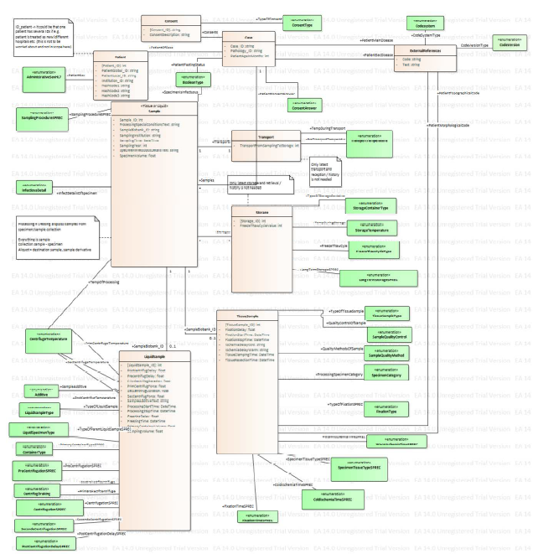
 | Data related to case
 | Case related data
 | 5 | ID_pathology
 | 6 | ID_case
 | 7 | consent_type
 | 8 | consent_answer
 | 10/11 | patient_age_at_collection
 |  | patient_age_unit
 | 12 | patient_prim_disease
 | 13 | patient_sec_disease

 | Data related to specimen
 | Collection
 | 14 | collection_institution
 | 18 | collection_year
 | 20 | clamping_time
 | 21 | collection_time
 | 22 | collection_procedure
 | 23 | specimen_type
 | 24 | specimen_morphological_code
 | 25 | specimen_topographical_code
 | 28 | patient_fasting_status
 | 29 | pre_transport_temp
 | Transport
 | 34 | transport_temp

 | Data related to sample
 | Processing
 | 41 | processing_start_time
 | 42 | processing_specimen_category
 | 43 | processing_temp
 | 44 | sample_ID
 | 45 | sample_type
 | 48 | storage_container
 | 49 | fixation_type
 | 50 | fixation_start_time
 | 51 | fixation_stop_time
 | 52 | sample_quality_methods
 | 53 | sample_quality_control
 | Storage
 | 56 | storage_temp
 | 59 | freeze_thaw_cycle

